Action List
 | 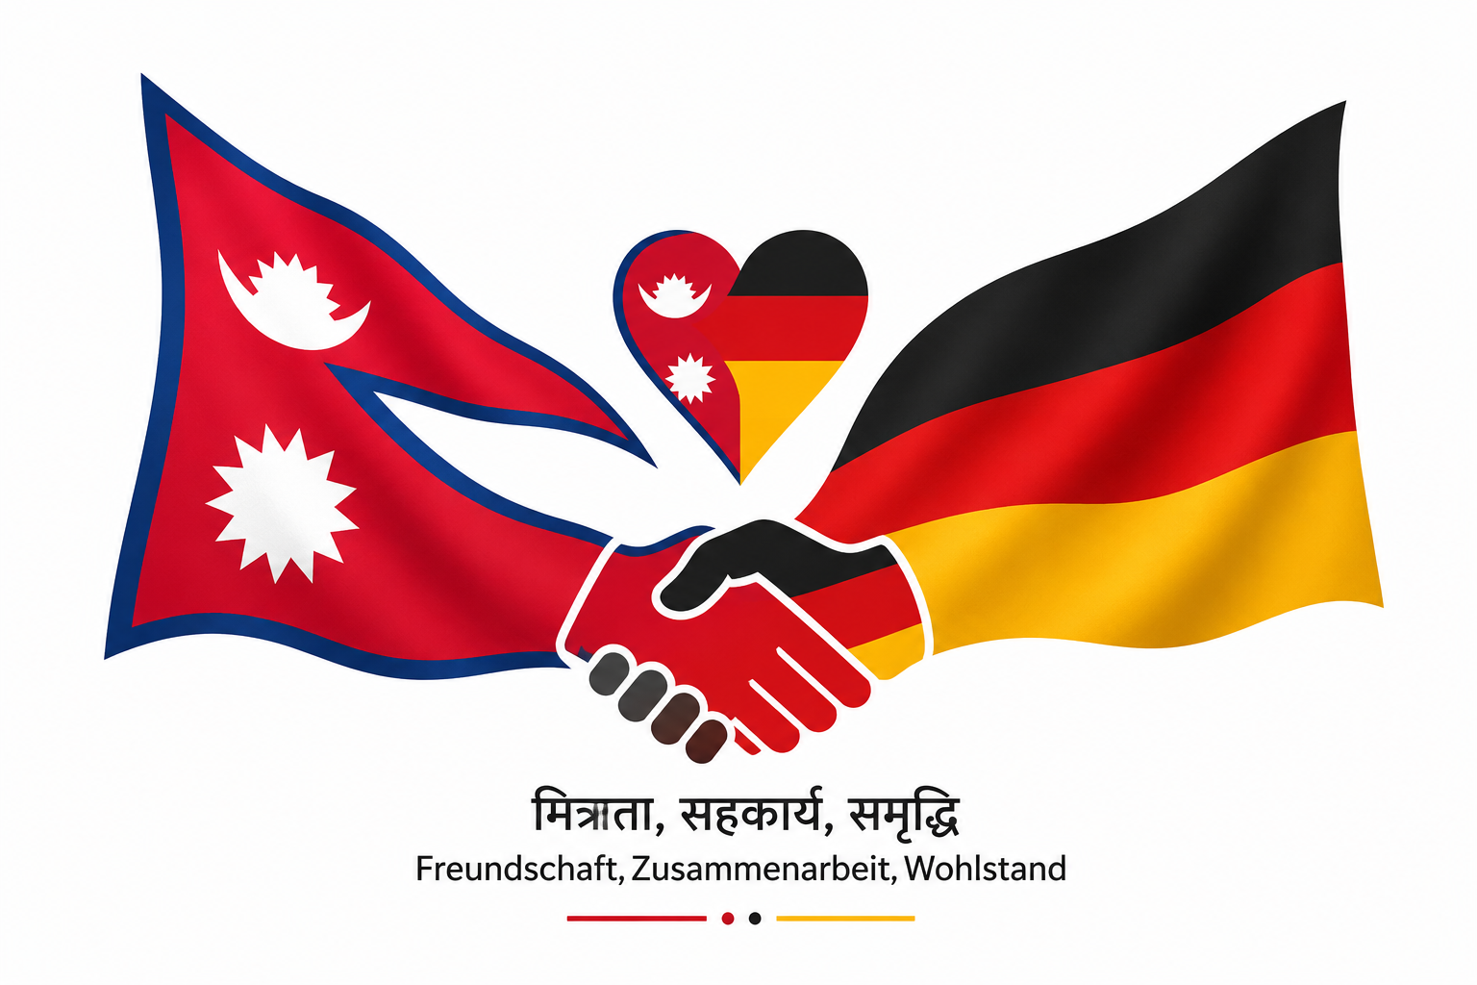 NEPALESE FOOTBALL CLUB NÜRNBERG ACTION LIST

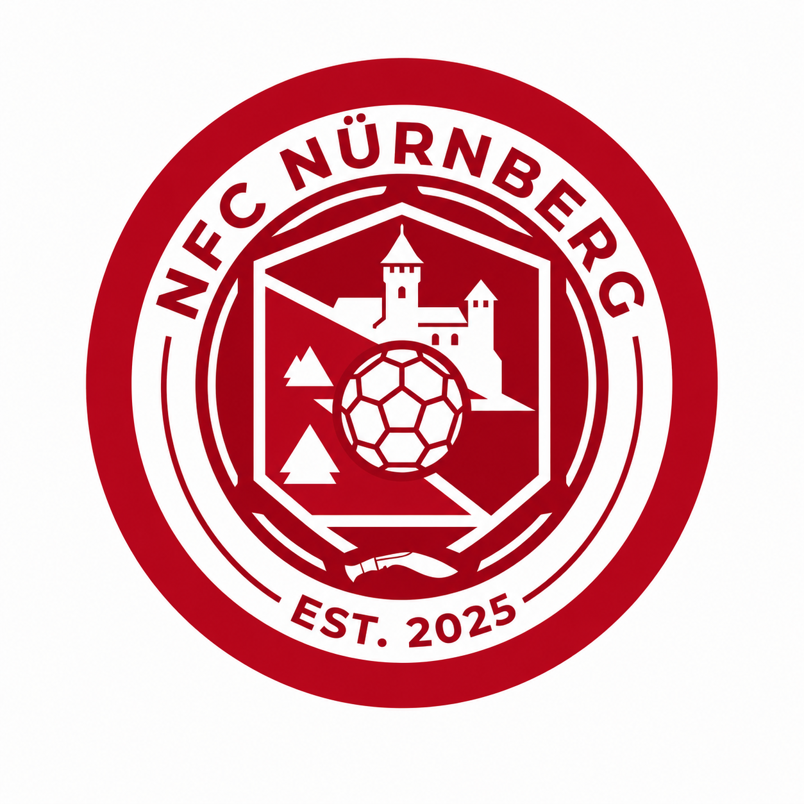

 | ID | Created Date | Owner | Work Type | Task Title | Description | Priority | Responsible Person | Due Date | Status | Progress Note | Next Action | Last Updated | Closed Date
 | NCFN-001 | 2026-07-10 | Sonit T. | Planning | Sponsorship Acquisition Plan (NRNA Stuttgart Focused) | Develop and implement a sponsorship plan to secure financial support for the NRNA Stuttgart event by identifying potential sponsors, coordinating outreach, and monitoring sponsorship commitments. | Critical | All Executive Members | 2026-08-30 | In Progress | 13.07.2026 • Sponsorship tracker created and shared with executive members. • Members agreed to use the shared tracker to record potential sponsors. • Initial sponsorship strategy discussed. • Preliminary sponsorship budget estimation initiated. | • All Executive Members – Fill the sponser list. • Sonit T. – Prepare preliminary sponsorship budget. • Review sponsor progress at the next committee meeting. | 2026-07-13
 | NCFN-002 | 2026-07-10 | Sonit T. | Action | Fan T-shirt Production & Sales (NRNA Stuttgart Focused) | Design, produce, and distribute official NCFN fan T-shirts for the NRNA Stuttgart event while managing pre-orders, sizing, pricing, and sales. | Critical | Dipendra S., Pujan T. | 2026-07-30 | In Progress | 13.07.2026 - Official logo confirmed for T-shirt printing. - Initial T-shirt order placed and production is in progress. - Sample T-shirt expected on Sunday (19.07.2026) for quality review. - Player size collection will begin after sample approval. - White fan T-shirt with club logo planned. - Separate design for players under consideration. - Proposal received to make T-shirts mandatory for players (€20). | - Review sample T-shirt quality. - Finalize player and fan T-shirt designs. - Collect player sizes. - Confirm final order quantity. - Approve selling price. - Launch pre-order for supporters. | 2026-07-13
 | NCFN-003 | 2026-07-10 | Sonit T. | Planning | Official NRNA Club registration | Complete the official registration process of the Nepalese Football Club Nürnberg by preparing all required documents, fulfilling legal requirements, and obtaining official recognition. | Medium | Raman Upreti |  | Not Started |  | • Identify registration requirements. • Prepare required documents. • Assign registration coordinator. • Confirm registration timeline.
 | NCFN-004 | 2026-07-10 | Sonit T. | Planning | Executive Committee Roles & Responsibilities | Define clear roles, responsibilities, and areas of accountability for each executive committee member to ensure effective coordination, decision- making, and task ownership | Critical | Raman Upreti |  | Not Started |  | • Prepare draft committee structure. • Define responsibilities for each executive position. • Review draft with committee members. • Approve final role allocation.
 | NCFN-005 | 2026-07-10 | Sonit T. | Planning | Girls Team Development Plan | Assess the current status of the girls' team and develop a plan for player recruitment, coaching, participation, and long-term team development. | High | Sonit T. |  | In Progress | Sonit agreed to take over this action. |  | 2026-07-13
 | NCFN-006 | 2026-07-10 | Sonit T. | Risk | Inadequate Jersey for Girl's Team (NRNA Stuttgart Focused) | Review and resolve jersey sizing issues to ensure all players receive correctly fitted jerseys before the season or tournament. | Critical | Sonit T. |  | In Progress | 13.07.2026 Problems in size for boys. Will be tested on friendly match. |  | 2026-07-13
 | NCFN-007 | 2026-07-10 | Sonit T. | Reminder | Regular Team Coordination Meetings | Establish a regular communication and meeting schedule to improve coordination, decision-making, and information sharing among committee members and the team. | Medium | Sonit T. | 2026-08-13 | Completed | 13.07.2026 Agreed to held meeting once a month | Make sure meeting is held once a month. | 2026-07-13 | 2026-07-13
 | NCFN-008 | 2026-07-10 | Sonit T. | Follow-up | WhatsApp Group Member Review | Review and maintain the club's WhatsApp group by removing inactive members, ensuring relevant participation, and keeping communication organized and effective. | Low | Krishna G. |  | Completed | 13.07.2026 Agreed not remove those members and stay as it is for now. Due to this reason, another groups in whatspp were created. |  | 2026-07-13 | 2026-07-13
 | NCFN-009 | 2026-07-11 | Sonit T. | Action | Jersey Distribution & Handover | Fix the handover date for Jersey from Abhishek Dai. | High | Sonit T. | 2026-07-13 | Completed | Decided to do on sunday 19.07.2026 @17 pm Gunjan P. handle here photo session and posting in social media |  | 2026-07-13 | 2026-07-13
 | NCFN-010 | 2026-07-13 | Sonit T. | Action | Membership Fee Collection | Collect contribution fee from boys and girls before NRNA | High | Sonit T. | 2026-08-30 | In Progress | 13.07.2026 Planned to inform all non paid members. | Sonit will handle here and reach out to those non paid members personally if applicable. | 2026-07-13
 | NCFN-011 | 2026-07-13 | Abhishek Dai | Reminder | Home & Away Jersey Design & Procurement | Design, finalize, and procure official home and away jerseys that align with the club's identity and are suitable for competitions and official events. |  | All Executive Members | 2026-08-13 | Not Started | 13.07.2026 Will be discussed among members whether we will go this approach. |  | 2026-07-13
 | NCFN-012 | 2026-07-22 |  | Action | Medical Kit Purchase | Decide and buy the medical items needed for the team during training, friendlies and tournaments | High | Neema T., Shanti Rai | 2026-07-22 | Not Started |  | As per communication in Spond, Neema and Shanti volunteered for this.
 | NCFN-013
 | NCFN-014
 | NCFN-015
 | NCFN-016
 | NCFN-017
 | NCFN-018
 | NCFN-019
 | NCFN-020
 | NCFN-021
 | NCFN-022

